BLUSH ON
BLUSH ON ( 7 )
Sort by

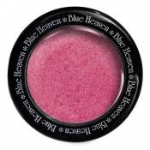
VIEW PRODUCT

Diamond Blush on 506
Rs.110.00
Rs.125.00
12% OFF
-2
ADD TO BAG
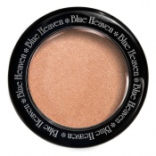
VIEW PRODUCT

Diamond Blush on 505
Rs.110.00
Rs.125.00
12% OFF
-10
ADD TO BAG
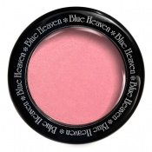
VIEW PRODUCT

Diamond Blush on 504
Rs.110.00
Rs.125.00
12% OFF
-8
ADD TO BAG
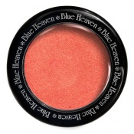
VIEW PRODUCT

Diamond Blush on 503
Rs.110.00
Rs.125.00
12% OFF
-10
ADD TO BAG

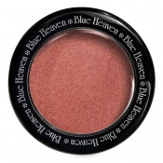
VIEW PRODUCT

Diamond Blush on 502
Rs.110.00
Rs.125.00
12% OFF
-6
ADD TO BAG
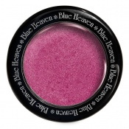
VIEW PRODUCT

Diamond Blush on 501
Rs.110.00
Rs.125.00
12% OFF
-4
ADD TO BAG

VIEW PRODUCT

Diamond Blush On
Rs.110.00
Rs.125.00
12% OFF
-7
ADD TO BAG

FOUNDATION
FOUNDATION ( 17 )
Sort by

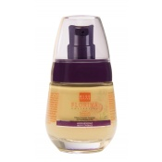
VIEW PRODUCT

Florina Silky Smooth Foundation (Natural Glow) 30 ML
Rs.154.00
Rs.175.00
12% OFF
-4
ADD TO BAG

VIEW PRODUCT

Florina Silky Smooth Foundation (Saffron Glow) 30 ML
Rs.154.00
Rs.175.00
12% OFF
-4
ADD TO BAG
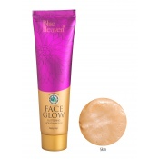
VIEW PRODUCT

Face Glow - Skin 50 ML
Rs.110.00
Rs.125.00
12% OFF
-3
ADD TO BAG
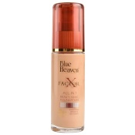
VIEW PRODUCT

X Factor Foundation 30 ML (Blush)
Rs.110.00
Rs.125.00
12% OFF
-5
ADD TO BAG

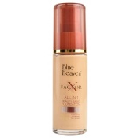
VIEW PRODUCT

X Factor Foundation 30 ML (Natural)
Rs.110.00
Rs.125.00
12% OFF
-7
ADD TO BAG

VIEW PRODUCT

X Factor Foundation 30 ML
Rs.110.00
Rs.125.00
12% OFF
-4
ADD TO BAG
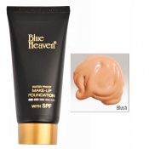
VIEW PRODUCT

Tube Foundation 50 ML (Blush)
Rs.66.00
Rs.75.00
12% OFF
-1
ADD TO BAG
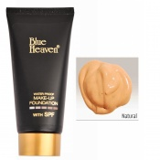
VIEW PRODUCT

Tube Foundation 50 ML (Natural)
Rs.66.00
Rs.75.00
12% OFF
-1
ADD TO BAG

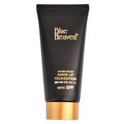
VIEW PRODUCT

Tube Foundation 50 ML
Rs.66.00
Rs.75.00
12% OFF

ADD TO BAG
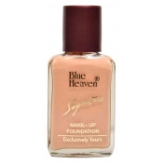
VIEW PRODUCT

Signature Foundation 30 ML (Blush)
Rs.57.20
Rs.65.00
12% OFF
ADD TO BAG
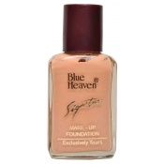
VIEW PRODUCT

Signature Foundation 30 ML (Skin)
Rs.57.20
Rs.65.00
12% OFF
ADD TO BAG
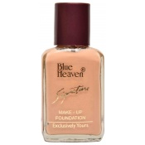
VIEW PRODUCT

Signature Foundation 30 ML (Natural)
Rs.57.20
Rs.65.00
12% OFF

ADD TO BAG

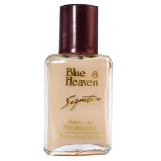
VIEW PRODUCT

Signature Foundation 30 ML
Rs.57.20
Rs.65.00
12% OFF

ADD TO BAG
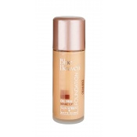
VIEW PRODUCT

Oil Free Foundation 30 ML (Cream Beige)
Rs.66.00
Rs.75.00
12% OFF
ADD TO BAG
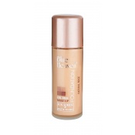
VIEW PRODUCT

Oil Free Foundation 30 ML (Natural Beige)
Rs.66.00
Rs.75.00
12% OFF
ADD TO BAG

VIEW PRODUCT

Oil Free Foundation 30 ML
Rs.66.00
Rs.75.00
12% OFF
ADD TO BAG

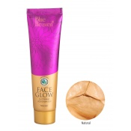
VIEW PRODUCT

Face Glow Natural 50 ML
Rs.110.00
Rs.125.00
12% OFF
-1
ADD TO BAG

COMPACT
COMPACT ( 21 )
Sort by

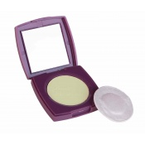
VIEW PRODUCT

Picture Perfect Makeup Compact Powder - Fair Glow (9 Grams)
Rs.92.40
Rs.105.00
12% OFF
ADD TO BAG
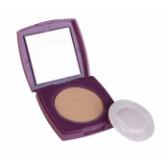
VIEW PRODUCT

Picture Perfect Makeup Compact Powder - Blush (9 Grams)
Rs.92.40
Rs.105.00
12% OFF
ADD TO BAG

VIEW PRODUCT

Picture Perfect Makeup Compact Powder - Natural (9 Grams)
Rs.92.40
Rs.105.00
12% OFF
ADD TO BAG
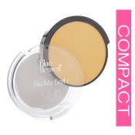
VIEW PRODUCT

Ultra High Definition Compressed Powder 9 Grams (04 Natural)
Rs.110.00
Rs.125.00
12% OFF
ADD TO BAG

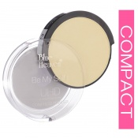
VIEW PRODUCT

Ultra High Definition Compressed Powder 9 Grams (03 Pearl)
Rs.110.00
Rs.125.00
12% OFF
ADD TO BAG
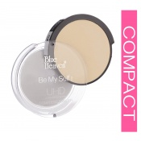
VIEW PRODUCT

Ultra High Definition Compressed Powder 9 Grams (02 Marvel)
Rs.110.00
Rs.125.00
12% OFF
ADD TO BAG
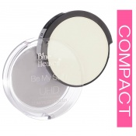
VIEW PRODUCT

Ultra High Definition Compressed Powder 9 Grams (01 Ivory)
Rs.110.00
Rs.125.00
12% OFF
-1
ADD TO BAG
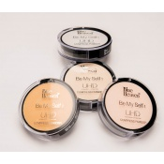
VIEW PRODUCT

Ultra High Definition Compressed Powder 9 Grams
Rs.110.00
Rs.125.00
12% OFF
ADD TO BAG

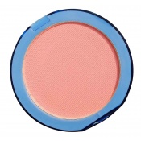
VIEW PRODUCT

Silk On Face Compact 16 GM (Pink)
Rs.83.60
Rs.95.00
12% OFF
OUT OF STOCK
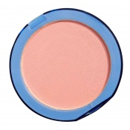
VIEW PRODUCT

Silk On Face Compact 16 GM (Skin)
Rs.83.60
Rs.95.00
12% OFF

OUT OF STOCK
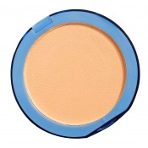
VIEW PRODUCT

Silk On Face Compact 16 GM (Natural)
Rs.83.60
Rs.95.00
12% OFF
OUT OF STOCK
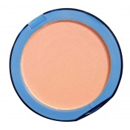
VIEW PRODUCT

Silk On Face Compact 16 GM (Blush)
Rs.83.60
Rs.95.00
12% OFF
OUT OF STOCK

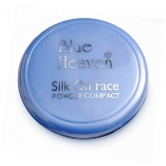
VIEW PRODUCT

Silk On Face Compact 16 GM
Rs.83.60
Rs.95.00
12% OFF
OUT OF STOCK
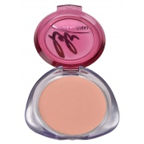
VIEW PRODUCT

Personal Compact 12 GM (Pink)
Rs.79.20
Rs.90.00
12% OFF
ADD TO BAG
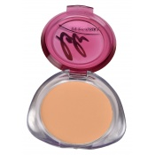
VIEW PRODUCT

Personal Compact 12 GM (Natural)
Rs.79.20
Rs.90.00
12% OFF
ADD TO BAG
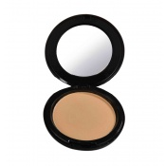
VIEW PRODUCT

Artisto Compact 12 GM (Cream Beige)
Rs.92.40
Rs.105.00
12% OFF
ADD TO BAG

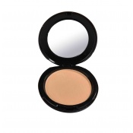
VIEW PRODUCT

Artisto Compact 12 GM (Natural Beige)
Rs.92.40
Rs.105.00
12% OFF
-1
ADD TO BAG
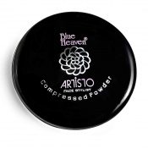
VIEW PRODUCT

Artisto Compact 12 GM
Rs.92.40
Rs.105.00
12% OFF
-1
ADD TO BAG
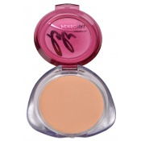
VIEW PRODUCT

Personal Compact 12 GM (Blush)
Rs.79.20
Rs.90.00
12% OFF
ADD TO BAG
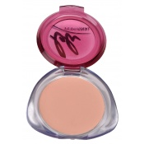
VIEW PRODUCT

Personal Compact 12 GM (Skin)
Rs.79.20
Rs.90.00
12% OFF
ADD TO BAG

VIEW PRODUCT

Personal Compact 12 GM
Rs.79.20
Rs.90.00
12% OFF
ADD TO BAG

FACE POWDERS
FACE POWDERS ( 3 )
Sort by

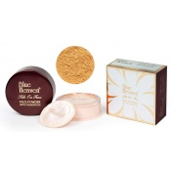
VIEW PRODUCT

Silk On Face Face Powder With Foundation (Natural) 40 GMs
Rs.92.40
Rs.105.00
12% OFF
ADD TO BAG
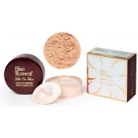
VIEW PRODUCT

Silk On Face Face Powder With Foundation (Dark Tan) 40 GMs
Rs.92.40
Rs.105.00
12% OFF

ADD TO BAG
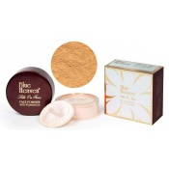
VIEW PRODUCT

Silk On Face Face Powder With Foundation (Blush) 40 GMs
Rs.92.40
Rs.105.00
12% OFF
ADD TO BAG

CONCEALERS
CONCEALERS ( 34 )
Sort by

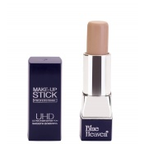
VIEW PRODUCT

UHD Make-Up Stick Professional 06 Pink Glow 8.5 Grams
Rs.110.00
Rs.125.00
12% OFF
ADD TO BAG
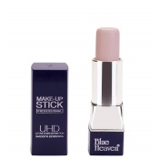
VIEW PRODUCT

UHD Make-Up Stick Professional 05 Fair Glow 8.5 Grams
Rs.110.00
Rs.125.00
12% OFF
ADD TO BAG
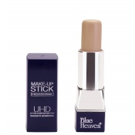
VIEW PRODUCT

UHD Make-Up Stick Professional 04 Natural Glow 8.5 Grams
Rs.110.00
Rs.125.00
12% OFF
ADD TO BAG

VIEW PRODUCT

UHD Make-Up Stick Professional 03 Natural 8.5 Grams
Rs.110.00
Rs.125.00
12% OFF
ADD TO BAG


VIEW PRODUCT

UHD Make-Up Stick Professional 02 Blush 8.5 Grams
Rs.110.00
Rs.125.00
12% OFF
ADD TO BAG
New
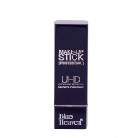
VIEW PRODUCT

UHD Make-Up Stick Professional, 8.5 Grams
Rs.110.00
Rs.125.00
12% OFF
ADD TO BAG
New
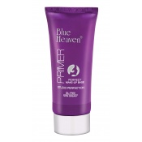
VIEW PRODUCT

Studio Perfection Primer (30 Grams)
Rs.264.00
Rs.300.00
12% OFF
-6
ADD TO BAG
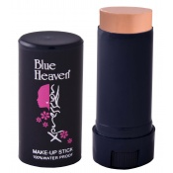
VIEW PRODUCT

Xpression Make Up Stick - Pink Glow 06 (100% water Proof)
Rs.83.60
Rs.95.00
12% OFF
-8
ADD TO BAG

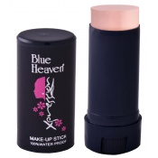
VIEW PRODUCT

Xpression Make Up Stick - Fair Glow 05 (100% water Proof)
Rs.83.60
Rs.95.00
12% OFF
-4
ADD TO BAG

VIEW PRODUCT

Xpression Make Up Stick - Natural Glow 04 (100% water Proof)
Rs.83.60
Rs.95.00
12% OFF
-6
ADD TO BAG
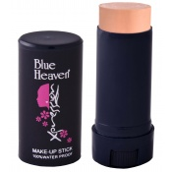
VIEW PRODUCT

Xpression Make Up Stick - Natural 03 (100% water Proof)
Rs.83.60
Rs.95.00
12% OFF
-4
ADD TO BAG

VIEW PRODUCT

Xpression Make Up Stick - Rose 01 (100% water Proof)
Rs.83.60
Rs.95.00
12% OFF
-4
ADD TO BAG


VIEW PRODUCT

Xpression Make Up Stick - Blush 02 (100% water Proof)
Rs.83.60
Rs.95.00
12% OFF
-2
ADD TO BAG

VIEW PRODUCT

Xpression Make Up Stick (100% water Proof)
Rs.83.60
Rs.95.00
12% OFF
-8
ADD TO BAG

VIEW PRODUCT

Pan Cream 5 GM (12)
Rs.52.80
Rs.60.00
12% OFF
ADD TO BAG

VIEW PRODUCT

Pan Cream 5 GM (11)
Rs.52.80
Rs.60.00
12% OFF
ADD TO BAG


VIEW PRODUCT

Pan Cream 5 GM (10)
Rs.52.80
Rs.60.00
12% OFF
ADD TO BAG

VIEW PRODUCT

Pan Cream 5 GM (09)
Rs.52.80
Rs.60.00
12% OFF
ADD TO BAG

VIEW PRODUCT

Pan Cream 5 GM (08)
Rs.52.80
Rs.60.00
12% OFF
-1
ADD TO BAG

VIEW PRODUCT

Pan Cream 5 GM (07)
Rs.52.80
Rs.60.00
12% OFF
ADD TO BAG


VIEW PRODUCT

Pan Cream 5 GM (06)
Rs.52.80
Rs.60.00
12% OFF
ADD TO BAG

VIEW PRODUCT

Pan Cream 5 GM (05)
Rs.52.80
Rs.60.00
12% OFF
ADD TO BAG

VIEW PRODUCT

Pan Cream 5 GM (04)
Rs.52.80
Rs.60.00
12% OFF
ADD TO BAG

VIEW PRODUCT

Pan Cream 5 GM (03)
Rs.52.80
Rs.60.00
12% OFF
-1
ADD TO BAG


VIEW PRODUCT

Pan Cream 5 GM (02)
Rs.52.80
Rs.60.00
12% OFF
-2
ADD TO BAG

VIEW PRODUCT

Pan Cream 5 GM (01)
Rs.52.80
Rs.60.00
12% OFF
ADD TO BAG

VIEW PRODUCT

Pan Cream (5 GM)
Rs.52.80
Rs.60.00
12% OFF
-1
ADD TO BAG

VIEW PRODUCT

Xpression Pan Cake 76 (Roasted Almond) 16 Gms
Rs.83.60
Rs.95.00
12% OFF
ADD TO BAG


VIEW PRODUCT

Xpression Pan Cake 75 (Natural Rose) 16 Gms
Rs.83.60
Rs.95.00
12% OFF
OUT OF STOCK

VIEW PRODUCT

Xpression Pan Cake 74 (Golden Honey) 16 Gms
Rs.83.60
Rs.95.00
12% OFF
ADD TO BAG

VIEW PRODUCT

Xpression Pan Cake 73 (Peach Delight) 16 GMs
Rs.83.60
Rs.95.00
12% OFF
ADD TO BAG

VIEW PRODUCT

Xpression Pan Cake 72 (Cream Beige) 16 GMs
Rs.83.60
Rs.95.00
12% OFF
ADD TO BAG


VIEW PRODUCT

Xpression Pan Cake 71 (Ivory Gold) 16 GMs
Rs.83.60
Rs.95.00
12% OFF
ADD TO BAG

VIEW PRODUCT

Xpression Pan Cake
Rs.83.60
Rs.95.00
12% OFF

